Step 3 PICK Types & Colours






























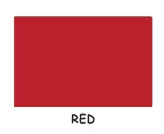


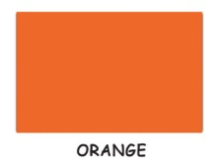
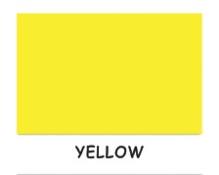
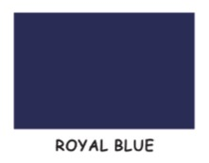
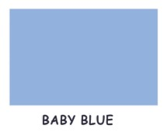
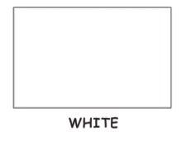
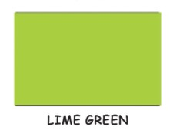

shirt colours available :

Step 4, Choose Sizes
Below sizes are applicable to Round neck, singlets and collar necks only.

 | Size 28 / XXXXXS | Size 30 / XXXXS | Size 32 / XXXS | Size 34 / XXS
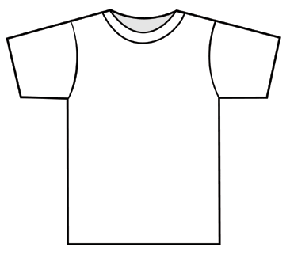
35.5 cm
14 inches
38 cm
15 inches
40 cm
16 inches
43 cm
17 inches

 | Size 36 / XS | Size 38 / S | Size 40 / M | Size 42 / L
45.5 cm
18 inches
48 cm
19 inches
51 cm
20 inches
53.5 cm
21 inches

 | Size 44 / XL | Size 46 / XXL | Size 48 / XXXL | Size 50 / XXXXL
56 cm
22 inches
58.5 cm
23 inches
61 cm
24 inches
63.5 cm
25 inches

Note: | a.) Printing is a maximum of an A4 size artwork in single color either front or back unless quoted otherwise.
 | b.) T-shirt Colors available are Red, Yellow, Black, Navy Blue, Orange, Lime Green, & White.

